PR_45degree_1.06%_total122.63
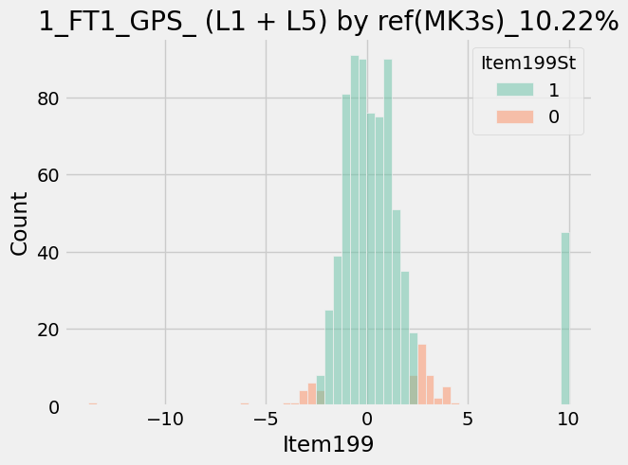
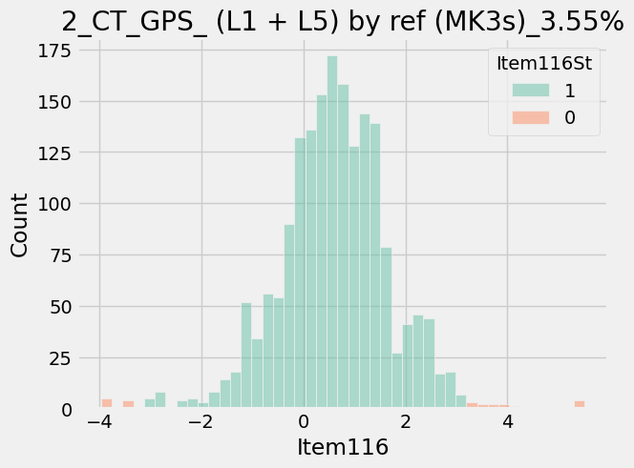
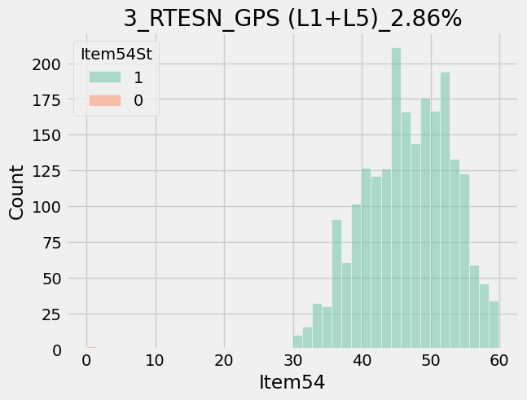
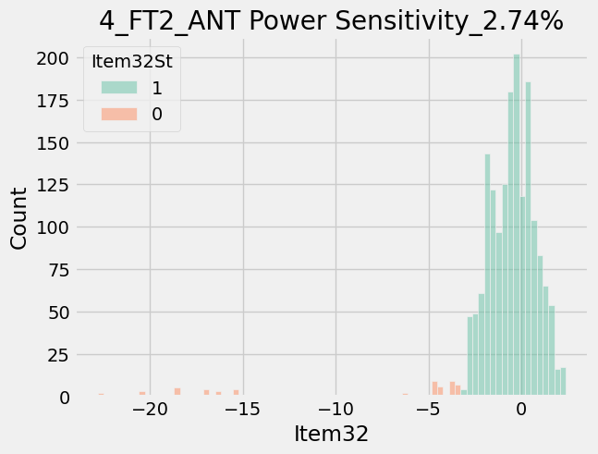
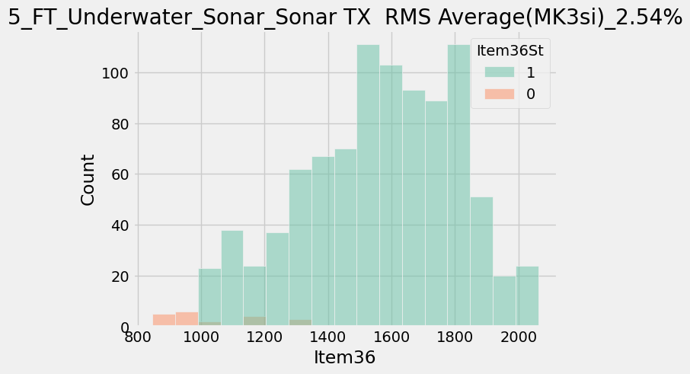
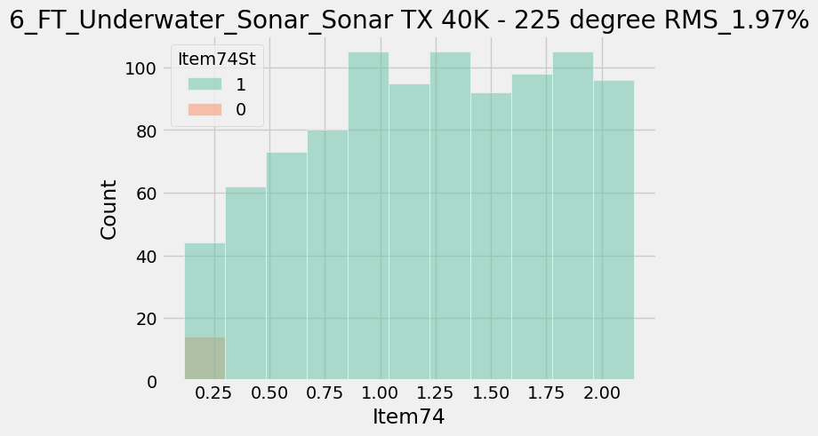
ItemNameType | ProcessType | Item | ItemName | CountCountESN | Retest
18195 | DescentMK3_FT1 | 199 | GPS_ (L1 + L5) by ref(MK3s) | 60/587 | 10.22
18191 | DescentMK3_CT | 116 | GPS_ (L1 + L5) by ref (MK3s) | 21/591 | 3.55
18205 | DescentMK3_RTESN | 54 | GPS (L1+L5) | 17/595 | 2.86
18203 | DescentMK3_FT2 | 32 | ANT Power Sensitivity | 16/585 | 2.74
18213 | DescentMK3_FT_Underwater_Sonar | 36 | Sonar TX RMS Average(MK3si) | 9/355 | 2.54
18213 | DescentMK3_FT_Underwater_Sonar | 74 | Sonar TX 40K - 225 degree RMS | 7/355 | 1.97

